ARC from Robyn
Protein (g sheep, kg cattle) | Scaled birth weight | Param | Param | Param | days after conception |  |  |  |  |  |  | SCA utilises ARC (1980)
Pr | SWB | A | B | C | t
 | 0.7875 | 5.358 | 15.229 | 0.00538 |  | Calf | 31.5
 |  | 8.536 | 13.12 | 0.00262 |  | Uterus

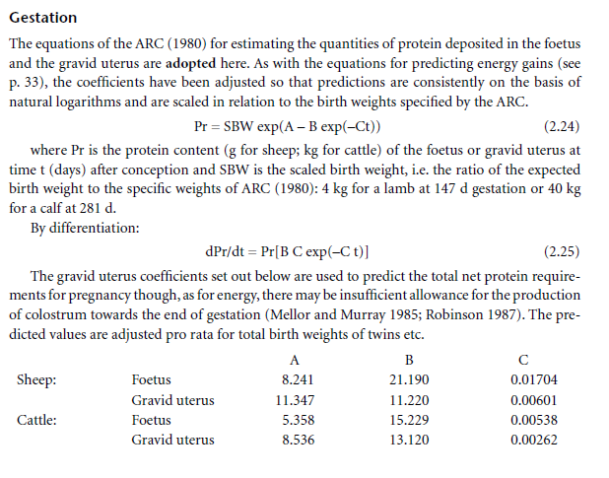
t (weeks) | t (days) | Pr Calf | Pr Uterus | Pr total |  | dPr/dt (F) | Pr(day) | Pr tot (day) | N by day
1 | 7 | 7.1412836244E-05 | 0.010209218691 | 0.010280631527 |  | 5.6347469101E-06 | 0.00080554654458 | 0.00081118129149 | 0.00012978900664
2 | 14 | 0.0001227971156 | 0.012902046338 | 0.013024843453 |  | 9.3310553952E-06 | 0.00098039525194 | 0.00098972630734 | 0.00015835620917
3 | 21 | 0.00020696614067 | 0.016235928331 | 0.016442894472 |  | 1.5145596177E-05 | 0.0011881306443 | 0.0012032762405 | 0.00019252419847
4 | 28 | 0.00034216159818 | 0.020346123069 | 0.020688284667 |  | 2.4113641913E-05 | 0.0014338813257 | 0.0014579949676 | 0.00023327919482
5 | 35 | 0.00055525662677 | 0.025392483988 | 0.025947740614 |  | 3.7685107787E-05 | 0.0017233805954 | 0.0017610657032 | 0.00028177051252
6 | 42 | 0.00088508504084 | 0.031563129139 | 0.03244821418 |  | 5.7850282202E-05 | 0.0020630062012 | 0.0021208564835 | 0.00033933703735
7 | 49 | 0.0013867310468 | 0.039078513926 | 0.040465244972 |  | 8.728853204E-05 | 0.00245981809 | 0.002547106622 | 0.00040753705952
8 | 56 | 0.0021369387371 | 0.048195928484 | 0.050332867221 |  | 0.0001295392841 | 0.0029215933821 | 0.0030511326662 | 0.0004881812266
9 | 63 | 0.003240789945 | 0.059214439047 | 0.062455228992 |  | 0.00018919287348 | 0.0034568577615 | 0.003646050635 | 0.0005833681016
10 | 70 | 0.0048397754218 | 0.072480289849 | 0.077320065271 |  | 0.00027209688514 | 0.004074912446 | 0.0043470093311 | 0.00069552149298
11 | 77 | 0.0071213463622 | 0.088392778886 | 0.095514125249 |  | 0.0003855715128 | 0.0047858558961 | 0.0051714274089 | 0.00082742838542
12 | 84 | 0.010329980609 | 0.10741061695 | 0.11774059756 |  | 0.00053862537113 | 0.0056005994213 | 0.0061392247924 | 0.00098227596679
13 | 91 | 0.014779731102 | 0.130058775 | 0.14483850611 |  | 0.00074216129706 | 0.0065308758654 | 0.0072730371624 | 0.001163685946
14 | 98 | 0.020868145277 | 0.15693582001 | 0.17780396529 |  | 0.0010091601466 | 0.0075892405877 | 0.0085984007343 | 0.0013757441175
15 | 105 | 0.029091356332 | 0.18872173391 | 0.21781309024 |  | 0.0013548296093 | 0.0087890640129 | 0.010143893622 | 0.0016230229795
16 | 112 | 0.040060054998 | 0.22618620456 | 0.26624625956 |  | 0.0017967047689 | 0.010144515089 | 0.011941219858 | 0.0019105951773
17 | 119 | 0.054515958789 | 0.27019737121 | 0.32471333 |  | 0.0023546876375 | 0.011670535084 | 0.014025222722 | 0.0022440356355
18 | 126 | 0.073348310519 | 0.32173100033 | 0.39507931085 |  | 0.0030510142345 | 0.01338280125 | 0.016433815484 | 0.0026294104775
19 | 133 | 0.097609864963 | 0.38188006095 | 0.47948992591 |  | 0.0039101399407 | 0.015297679998 | 0.019207819939 | 0.0030732511902
20 | 140 | 0.12853176747 | 0.45186466144 | 0.58039642891 |  | 0.0049585367715 | 0.017432169367 | 0.022390706139 | 0.0035825129822
21 | 147 | 0.16753669572 | 0.53304230257 | 0.70057899829 |  | 0.0062243997144 | 0.019803830686 | 0.026028230401 | 0.0041645168641
22 | 154 | 0.2162496296 | 0.62691839454 | 0.84316802413 |  | 0.0077372631975 | 0.022430709504 | 0.030167972702 | 0.0048268756323
23 | 161 | 0.27650563551 | 0.73515697877 | 1.0116626143 |  | 0.0095275328571 | 0.025331245988 | 0.034858778846 | 0.0055774046153
24 | 168 | 0.35035410254 | 0.85959158836 | 1.2099456909 |  | 0.011625941816 | 0.028524175169 | 0.040150116985 | 0.0064240187176
25 | 175 | 0.440058945 | 1.0022361746 | 1.4422951196 |  | 0.014062944437 | 0.03202841755 | 0.046091361988 | 0.007374617918
26 | 182 | 0.54809438887 | 1.1652960214 | 1.7133904103 |  | 0.01686806374 | 0.035862960768 | 0.052731024508 | 0.0084369639212
27 | 189 | 0.67713608202 | 1.3511785628 | 2.0283146448 |  | 0.020069211212 | 0.040046733119 | 0.060115944331 | 0.009618551093
28 | 196 | 0.83004740576 | 1.5625040163 | 2.392551422 |  | 0.023691999436 | 0.044598469937 | 0.068290469372 | 0.0109264751
29 | 203 | 1.0098610113 | 1.8021157373 | 2.8119767485 |  | 0.027759068729 | 0.049536573893 | 0.077295642622 | 0.01236730282
30 | 210 | 1.2197557534 | 2.0730902003 | 3.2928459537 |  | 0.032289448842 | 0.054878970465 | 0.087168419307 | 0.013946947089
31 | 217 | 1.4630293374 | 2.3787465073 | 3.8417758448 |  | 0.037297975678 | 0.060642959853 | 0.097940935531 | 0.015670549685
32 | 224 | 1.7430671292 | 2.7226553244 | 4.4657224536 |  | 0.042794781109 | 0.066845066773 | 0.10963984788 | 0.017542375661
33 | 231 | 2.0633076955 | 3.1086471454 | 5.1719548409 |  | 0.048784871354 | 0.073500889568 | 0.12228576092 | 0.019565721747
34 | 238 | 2.4272057401 | 3.5408197845 | 5.9680255246 |  | 0.055267806251 | 0.080624950158 | 0.13589275641 | 0.021742841025 | 7
35 | 245 | 2.8381931748 | 4.023544999 | 6.8617381738 |  | 0.06223748822 | 0.088230546358 | 0.15046803458 | 0.024074885532 | 6
36 | 252 | 3.2996391124 | 4.5614741482 | 7.8611132606 |  | 0.069682065981 | 0.096329608098 | 0.16601167408 | 0.026561867853 | 5 | 0.82392151697
37 | 259 | 3.8148095933 | 5.1595427962 | 8.9743523894 |  | 0.077583954392 | 0.10493255907 | 0.18251651346 | 0.029202642154 | 4
38 | 266 | 4.3868278506 | 5.822974175 | 10.209802026 |  | 0.085919968115 | 0.11404818527 | 0.19996815338 | 0.031994904541 | 3
39 | 273 | 5.0186358952 | 6.5572814252 | 11.57591732 |  | 0.094661563542 | 0.12368351187 | 0.21834507541 | 0.034935212065 | 2
40 | 280 | 5.7129581478 | 7.3682685433 | 13.081226691 |  | 0.10377518047 | 0.13384368974 | 0.23761887021 | 0.038019019233 | 1

Marcondes et al
 |  |  |  |  |  | https://www.sciencedirect.com/science/article/pii/S002203022300588X
 | A | 0.049
 | B | 0.0178
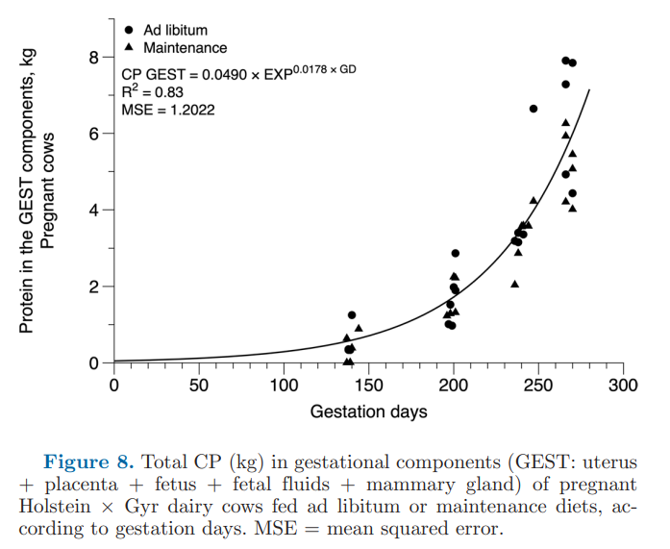
Weeks | Days | CP | N | CP (day) | N per day
1 | 7 | 0.055502068932 | 0.0088803310291 | 0.00098793682699 | 0.00015806989232
2 | 14 | 0.06286693175 | 0.01005870908 | 0.0011190313851 | 0.00017904502162
3 | 21 | 0.071209077133 | 0.011393452341 | 0.001267521573 | 0.00020280345167
4 | 28 | 0.080658185869 | 0.012905309739 | 0.0014357157085 | 0.00022971451336
5 | 35 | 0.091361146776 | 0.014617783484 | 0.0016262284126 | 0.00026019654602
6 | 42 | 0.10348434012 | 0.01655749442 | 0.0018420212542 | 0.00029472340067
7 | 49 | 0.11721622406 | 0.01875459585 | 0.0020864487883 | 0.00033383180612
8 | 56 | 0.13277026424 | 0.021243242278 | 0.0023633107035 | 0.00037812971255
9 | 63 | 0.1503882522 | 0.024062120352 | 0.0026769108892 | 0.00042830574227
10 | 70 | 0.17034406409 | 0.027255050254 | 0.0030321243408 | 0.00048513989452
11 | 77 | 0.19294791811 | 0.030871666897 | 0.0034344729423 | 0.00054951567076
12 | 84 | 0.21855119696 | 0.034968191513 | 0.0038902113059 | 0.00062243380894
13 | 91 | 0.24755191018 | 0.039608305629 | 0.0044064240012 | 0.00070502784019
14 | 98 | 0.28040088128 | 0.044864141006 | 0.0049911356869 | 0.0007985817099
15 | 105 | 0.31760875595 | 0.050817400952 | 0.0056534358559 | 0.00090454973695
16 | 112 | 0.35975394013 | 0.05756063042 | 0.0064036201343 | 0.0010245792215
17 | 119 | 0.4074915915 | 0.06519865464 | 0.0072533503287 | 0.0011605360526
18 | 126 | 0.46156380409 | 0.073850208655 | 0.0082158357129 | 0.0013145337141
19 | 133 | 0.52281114431 | 0.08364978309 | 0.0093060383688 | 0.001488966139
20 | 140 | 0.59218571776 | 0.094749714841 | 0.010540905776 | 0.0016865449242
21 | 147 | 0.67076596995 | 0.10732255519 | 0.011939634265 | 0.0019103414824
22 | 154 | 0.75977345104 | 0.12156375217 | 0.013523967429 | 0.0021638347886
23 | 161 | 0.86059180515 | 0.13769468882 | 0.015318534132 | 0.0024509654611
24 | 168 | 0.97478827943 | 0.15596612471 | 0.017351231374 | 0.0027761970198
25 | 175 | 1.1041380873 | 0.17666209397 | 0.019653657954 | 0.0031445852727
26 | 182 | 1.2506520048 | 0.20010432076 | 0.022261605685 | 0.0035618569095
27 | 189 | 1.4166076281 | 0.2266572205 | 0.02521561578 | 0.0040344985249
28 | 196 | 1.6045847801 | 0.25673356482 | 0.028561609086 | 0.0045698574537
29 | 203 | 1.8175056137 | 0.2908008982 | 0.032351599924 | 0.0051762559879
30 | 210 | 2.0586800379 | 0.32938880606 | 0.036644504675 | 0.0058631207479
31 | 217 | 2.3318571709 | 0.37309714734 | 0.041507057641 | 0.0066411292226
32 | 224 | 2.6412836212 | 0.42260537939 | 0.047014848457 | 0.0075223757531
33 | 231 | 2.9917695023 | 0.47868312036 | 0.05325349714 | 0.0085205595424
34 | 238 | 3.388763207 | 0.54220211312 | 0.060319985084 | 0.0096511976135
35 | 245 | 3.8384361043 | 0.61414977668 | 0.068324162656 | 0.010931866025
36 | 252 | 4.3477784745 | 0.69564455592 | 0.077390456846 | 0.012382473095
37 | 259 | 4.9247081753 | 0.78795330805 | 0.087659805521 | 0.014025568883
38 | 266 | 5.5781937269 | 0.8925109963 | 0.099291848338 | 0.015886695734
39 | 273 | 6.3183937295 | 1.0109429967 | 0.11246740838 | 0.017994785342
40 | 280 | 7.1568147819 | 1.1450903651 | 0.12739130312 | 0.020382608499

